A
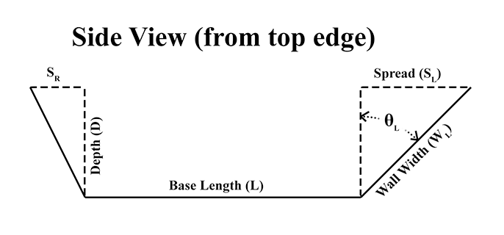
Given |  | To find Spread -
Depth (D): | 2.00
Left Spread (SL): | 1.00 | Given | First | Second
Right Spread (SR): | 2.00 | Depth (D): | 2.00 | 2.00
Base Angle (φ): | 90.0 | Spread Angle (θ): | 45.0 | 45.0

Find |  | Find:
Left Wall Width (WL) | 2.24 | Spread (S) | 2.00 | 2.00
Right Wall Width (WR) | 2.83

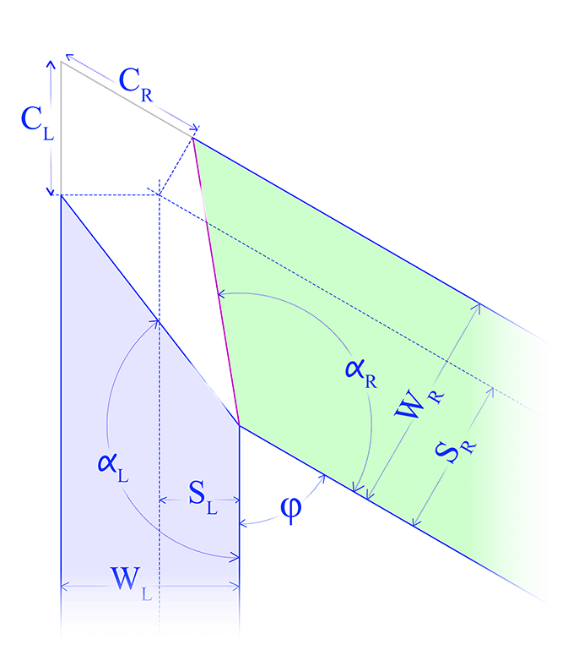
Left Spread Angle (θL) | 26.6 | Given:
Right Spread Angle (θR) | 45.0 | Depth (D): | 3.00 | 3.00
 |  | Wall Width (W): | 4.00 | 3.00
Left Corner Distance (CL) | 0.83
Right Corner Distance (CR) | 1.24 | Find:
 |  | Spread (S) | 2.65 | 0.00
Left Wall Angle (αL) | 131.8
Right Wall Angle (αR) | 109.5

Besides the Base Angle φ, this spreadsheet needs only Depth (D) and Spread (S) to determine the other parameters listed. If you have the Wall Width (W) or Spread Angle (θ) instead of the Spread, use one of the sections to the right to find the Spread. | Enter information into the blue or green fields. Results are shown in the pink fields.

